fig 8-1
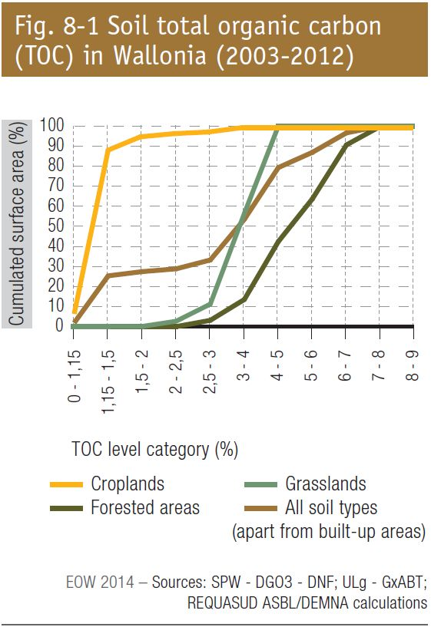
fig 8-1 : Soil total organic carbon (TOC) in Wallonia (2003-2012)

