Fig. 6-2
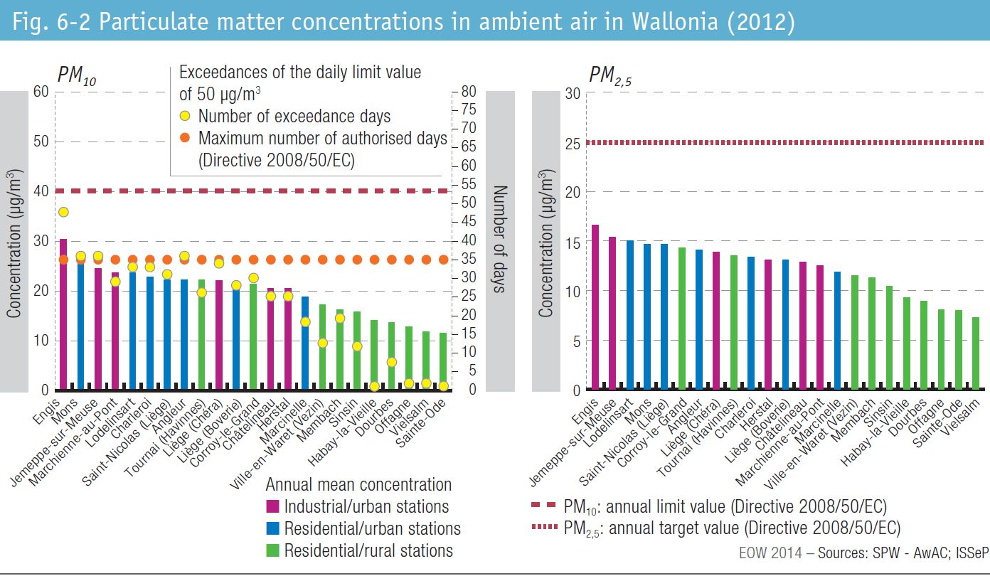
Fig. 6-2 Particulate matter concentrations in ambient air in Wallonia (2012)

