Fig. 6-1
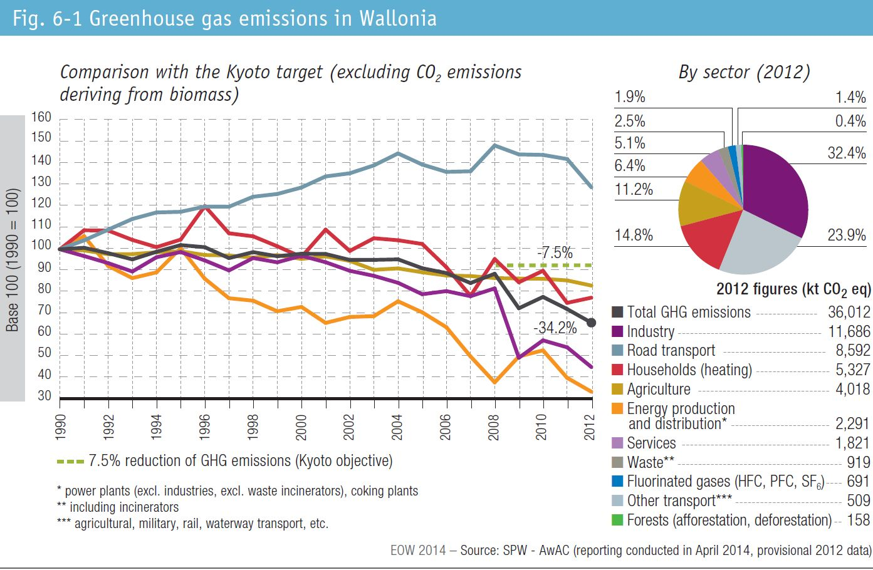
Fig. 6-1 Greenhouse gas emissions in Wallonia

