Fig. 5-1
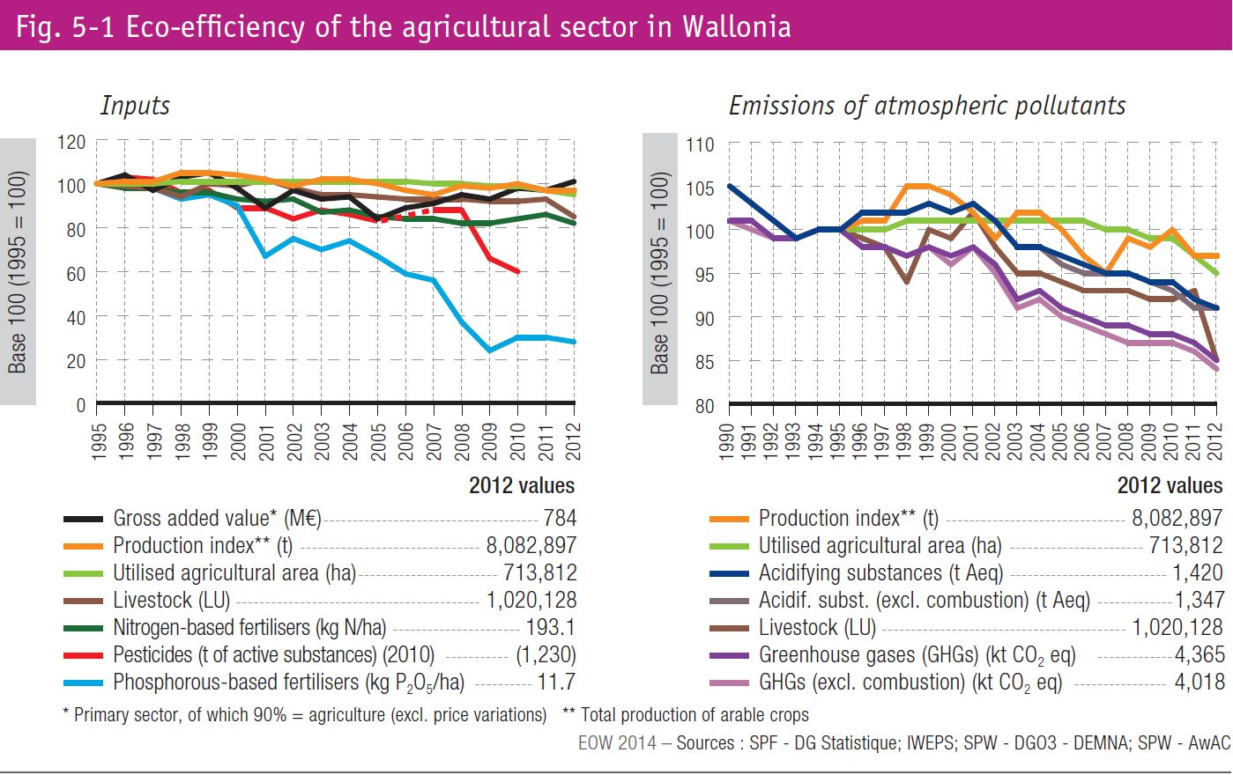
Fig. 5-1 Eco-efficiency of the agricultural sector in Wallonia

