fig 4-2
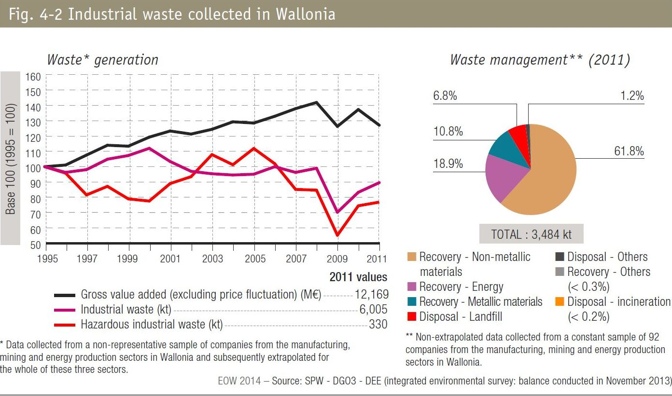
Fig 4-2 Industrial waste collected in Wallonia

